Table 3
TRANSPOSITION TABLE Figures in the left c::olumn are the map wheel readings in inches The other columns are what the map wheel readings are when t_ra nsposed to those scale drawings For 1 reading lineal and peripheral footage.
-,. .1/ 411 3/8" 1 /211 3/411 1�" 1/411 3/811 1/211. 3/411 L\" 1 /411 3/811 1 4 2 2 1 2/3 34 136 90 68 45 22 67 268 178. |  |  |  |  |  |  |  |  |  |  |  |  |  |  |  |  | 1/2" 134 |  | 3/411 l\" 89 4�·
 |  | 2 8 5 I 4 2 1 5 140 |  |  |  |  |  |  | 70 46 23 8 272 180 |  |  |  |  |  |  | 136 |  | 90 45
 |  | 3 12 8 6 4 2 6 144 96 72 48 24 9 276 184 |  |  |  |  |  |  |  |  |  |  |  |  |  | 138 |  | 92 I 46
.. 4 16 10 8 : 5 2 7 148 98 |  |  |  |  |  |  |  |  |  | 49 24 |  |  | 280 186 |  |  | 140 |  | 93 46
 |  | 5 20 13 10 6 3 8 152 101 76 50 25 1 284 189 6 24 16 12 6 4 9 I 156 104 78 52 26 2 288 192 |  |  |  |  |  |  |  |  |  |  |  |  |  | 142 144 |  | 94 I 47 96 48
 |  | 7 28 18 8 32 21 |  |  | I 14 9 4 40 160 106 80 53 26 3 292 16 10 5 1 164 109 82 54 27 4 296 197 |  |  |  |  |  |  |  |  |  |  | 146 148 |  | 97 48 98 49
 |  | 9 36 24 18 12 6 2 168 112 84 56 28 5 300 200 |  |  |  |  |  |  |  |  |  |  |  |  |  | 150 |  | 100 50
10r |  |  | 40 26 20 13 6 3 172 114 86 44 29 I 22 14 7 4 176 117 88 |  |  |  |  |  |  |  | " 58 28 ' 6 304 202 29 7 308 205 |  |  |  |  | 152 154 |  | 101 50 102 51
 |  | 2 48 32 I 24 16 8 5 180 I 120 |  |  |  |  |  |  |  | 60 30 8 312 208 |  |  |  |  |  | 156 |  | 104 52
 |  | 3 52 34 26 17 9 6 184 122 92 61 30 9 316 210 |  |  |  |  |  |  |  |  |  |  |  |  |  | 158 |  | 105 52
 |  | 4 56 |  | 28 18 9 7 188 125 94 62 31 80 320 213 |  |  |  |  |  |  |  |  |  |  |  | 160 |  | 106 53
 |  | 5 60 40 30 20 I 10 8 192 128 96 64 32 1 |  |  |  |  |  |  |  |  |  |  |  | 216 |  | 162 |  | 108 54
6 64 42 32 21 10 9 196 130 98 65 �2 2 328 218 |  |  |  |  |  |  |  |  |  |  |  |  |  |  |  | 164 |  | 109 54
 |  | 7 68 43 34 22 11 50 200 133 100 66 |  |  |  |  |  |  |  |  |  | 3 332 221 |  |  |  | 166 |  | 110 55
53
 |  | 8 72 48 36 |  |  |  | I 12 1 204 136 102 68 34 4 |  |  |  |  |  |  |  | 224 |  | 168 |  | 112 56
344
 |  | 9 76 50 38 25 I 12 2 208 138 104 69 34 I 5 340 226 |  |  |  |  |  |  |  |  |  |  |  |  |  | 170 |  | 113 • 56
20 80 |  |  |  | 40 26 13 3 < 212 141 106 |  |  |  |  |  |  | 35 6 |  |  | 229·· |  |  | 172 | 114
�·
44
 | ,1 84 56 42 28 14 4 216 144 108 72 36 7 ·343 232 |  |  |  |  |  |  |  |  |  |  |  |  |  |  | 174 |  | 116 58
92 61 46 30 15
6 224 149 112 74 37
9
237
178
118 59
 |  | ; 88 58 29 |  |  |  |  | 5 220 146 110 |  |  |  | 36 8 35 2 234 |  |  |  |  | 176 |  | 117 58
 | I 4 96 64 48 32 16 7 228 152 114 76 |  |  |  |  |  |  |  |  |  |  | .. 38 | 360 240 |  |  | 180 |  | 120 60
 | I 5 100 68 50 33 16 8 232 154 116 17 |  |  |  |  |  |  |  |  |  |  | 38 1 366 ' 242 |  |  |  | 182 |  | 121 60
 | I 6 104 69 52 34 17 9 236 |  |  |  |  |  |  |  | 118 |  | 2 368 |  |  |  | 184 |  |  | 12 2 61
 |  | 7 108 72 |  |  | 36 18 60 240 160 120 80 40 3 37 2 248 |  |  |  |  |  |  |  |  |  |  | 18 6 |  | 124 62
77
 |  | 8 112 74 56 |  |  |  | 18 1 244 162 122 81 |  |  |  |  |  | 4 376 250 |  |  |  | 188 |  | 125 I 62
rFJ
 |  | 9 116 |  | 38 19 2 248 166 124· 82 41 5 380 253 |  |  |  |  |  |  |  |  |  |  |  | 190 |  | 126
30 120 80 60 40 20 3 252 168 126 84 42 6 384 256 |  |  |  |  |  |  |  |  |  |  |  |  |  |  |  | 192 |  | 128 64
 |  | 1 124 82 62 41 20 • 128 I 85 64 42 21 |  |  |  |  |  | 4 256 .. 10 128 85 42 '5 260 1"'3 13 0 86 43 |  |  |  |  | .7 388 258 8 39 2 261 |  |  | 19 '_-,. 19t i |  |  |  | 129 64 130, 65
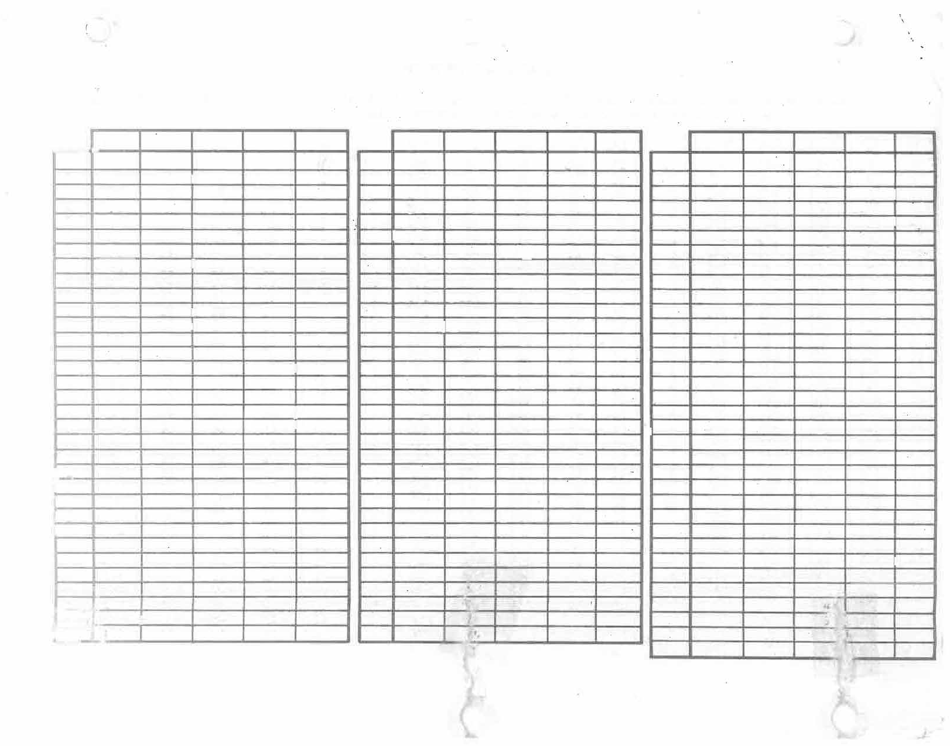
- ·_32 88 66 |  |  |  |  |  | 22 6 264 .1. � 132 88 44 |  |  |  |  |  |  | 9 396 264 100 400 266 |  |  | 198 200 |  |  |  | 132 66 133 66 .....,_

Table 6
C O M P O N E N T SECTION 1: PATTERN MAKING |  |  |  |  |  |  |  |  |  |  | P RI C E .• :CdNf3TANT i |  |  |  | S C H E D U L E Ple� . -1. bo hr Neon. 2. 5 .-,. hr
Note: All _!,abo..E. given in decimal equivalents of hours. Materials given in dollars and cents of net cost.
 | TYPE DISPLAY - PER SQUARE FOOT |  |  |  |  |  |  |  |  |  |  |  | RECTANGULAR |  |  | SEMI-IRREGULAR |  |  | INTRICATE
 | I |  |  |  |  |  |  |  |  |  |  |  | Labor | Material |  | Labor | Material |  | Labor | Material
 | I a. |  | Plastic |  | signs, |  | to | 30 | sq. ft. |  |  |  | .050- | $0.�0 |  | 0.066 | $0·. $6 |  | 0.083 | $0.t»D
 | I a. -··Plastic signs, to 60 sq. ft. � Plastic signs, above 60 sq. ft. |  |  |  |  |  |  |  |  |  |  |  | .040 .05 .035 .05 |  |  | .050 .05 .040 .05 |  |  | .075 .05 .065 .05
 | b .. |  | Neon | signs, |  | to | 30 | sq. | ft. |  |  |  | 0.083 | $0.15 |  | 0.100 | $0.15 |  | 0.162 | $0.15
 | b. |  | Neon | signs, |  | to | 60 | sq. | ft. |  |  |  | 0.065 | 0.15 |  | 0.075 | 0.15 |  | 0.085 | 0.15
 | I | -b. | Neon | signs, |  | above |  | 60 sq. |  | ft. |  | 0.060 |  | 0.15 |  | 0.070 |  | 0.15 | 0.075 |  | 0.15
 | i c. Neon skeleton borders - estimate
..
 |  |  |  |  |  |  |  |  |  |  |  |  |  |  |  |  |  |  |  |  |  | L--f
r'J"":':"111'?'Trt�'r\ � /..,r

Table 9
C O M P ..0 N E N T SECTION 2: SHEET METAL CABINETS BULLETIN PANELS - PER SQUARE fOOT |  |  |  |  |  | P ·RICE S C H E D U L E CONSTANT: �_500 hrs
,---- a. Bulletin panels, sq. ft |  |  |  |  | RECTANGULAR |  |  |  |  |  | SEMI-IRREGULAR |  |  |  | H.1TRI CATE
 |  |  |  |  | Labor . 010 |  |  |  | Material $ o. 70 |  | Labor .090 |  | Material $ o. 78 |  | Labor .097 |  | Material $ 0. 88
- |  | . | Bulletin panels, decking faces |  | 0.097 |  |  |  | 0.78 |  | 0.133 |  | 0.88 |  | 0.155 |  | 0.99

-- NEON SIGN CABINETS - PER SQUARE FOOT CONSTANT: 2.500 hrs
C. |  |  | Single face cab's, light frame |  | 0.184 |  |  |  | $ 1. 80 |  | 0.392 |  | $ 1 _ 96 |  | - Ci n |  | $ :, | (lfi
I | d. |  | Sin rle face cab's, heavv frame |  | 0.200 |  |  |  | 2.22 |  | �418 |  | ' | 2.36 | 0.567 |  | 2.46
I | e. |  | Double facP cab's, 1 iciht frame |  | 0.228 |  |  |  | 2.12 |  | 0.478 |  | 2.20 |  | 0.628 |  | 2 | 26
' | f. |  | Double face cab's, hcavv frame |  | 0.265 |  |  |  | 2.52 |  | 0.506 |  | 2.76 |  | . 631 |  | 1. nn
I I | g. h. |  | Add for decking f�ces to cab. Wide edging extra, per inch of width |  | 0.066 |  |  |  | 0.16 |  | 0.162 |  | 0.18 |  | 0.216 |  | 0.26
 |  |  |  |  | 0.013 |  |  |  | 0 . JJ:6 _,).. |  | 0.018 |  | 0.08 |  | 0.022 |  | 0.08
PLASTIC SIGN FRAMES - PER LINEAR FOOT �- |  |  |  |  |  |  | CONSTANT: 2.500 hrs .733 � 2. 20
Sin |  |  |  | :le frame, sinale face, lin ft .414 ll,
-
Double frame, double face, lin ft .410 13.29 729 2 DECK CJ\BINETS -- PER LINEAR FOOT CONSTANT: .500 hr : I
{S·rRAIGHT) (CURVED) t,• Raceway, linear foot .208 $1.12 . 382 $ L50 'C • l. Standard d�ck cab1s, no frame --.3"X7 1.40 .658 1.88 m. Stanciarrl deck cab's, light frame .388 2.06 . 732· 2.72 - n. Standard deck cab1s, heavy frame .415 2. 70 • -· . 837 3.58

.056
.154
0. 1.t
METAL TRIM EXTRAS - PER LINEAR FOOT r o. Beveled edging, lin ft P. Rounded edqe, lin ft :-. Cut. 0ut o::ienil1Llfor r,J.astic, ft r.--MctaT retainers & install,: ft |  |  |  |  |  |  |  | CONSTANT: .500 hr .239 $ 0. 56 ._in_ ? n--·7R- .l44 .119 |  |  |  | fact. estimate fact. estimate 179 .135 0.12 |  |  |  | fact. estimate fact . est i..rna te . 225 $0_1,
1 s. Flashing, counter flashing, drip [- flange |  |  |  |  |  |  |  | o._ |  | -, . 057 0.16 |  |  |  |  |  | .084 0.16 . .
(::

Table 10
x
z 0 (J) ::) 0::: 1-­ w

Table 12
NOTE: Use one constant up to 50 i;z'.J Two constants up to 90 !;ti Three constants over 90 i;tJ CO M_P ONE NT SECTION 3: ABC EXTRUDED FRAMES |  |  |  |  |  |  |  | P R r C E S C H E D U L E �OtJ -� f?.e:GT; 4,00 K.
 | a. Lar:tc A frame, |  |  | double | face, | lin | ft |  | 0.115 | $ 4. 30 |  |  | 0.175 | $ 4. 30 .175 $ 4.30
 | b. - Large A |  | frame, | single | face, | lin | ft |  | 0.132 | 4.42 |  |  | .192 4.42 |  |  | 0.192 |  | 4 42

 | d. Small a |  | frame, | single | face, | lin | ft |  | 0.132 | 3.27 |  |  | 0.192 | 3.27 |  | 0.192 |  | 3_27

 | e. Type | II | frame, | double | face, | lin | ft |  | 0.115 | ? 14 |  |  | 0.175 | 2.14 |  | 0.175 |  | 2.14
 | f. Type | II | frame, | single | face, | lin | ft |  | 0.132 | , .d/; |  |  | 0.192 | ? d � |  | 0.192 |  | :;, .lln
EXTRUSION LABOR AND MATERIAL EXTRAS:
 |  |  |  |  |  |  |  |  |  |  |  |  |  |  |  |  |  |  | 471,µ.
 |  |  |  |  |  |  |  |  |  |  | 0.750 | per pipe |  | 2.75 | per |  | pipe
 |  |  |  |  |  |  |  |  |  |  | 0.500 | per piece |  | 1.05 | per |  | foot

TYPE FRAME SYSTEM - PER LINEAR FOOT
'
RECTANGULAR
SIX CORNERS
Labor Material
CONSTANT:
Labor
₋2.500
Material
..• hrs...
t, ,oo
4.000
EIGHT CORNERS
Labor Material
6.000
�·9'0
₋ c. Small a frame,
double face, lin rt
.115
2.85
.17 5
2.85
.175
2 8Ci
r-- ₋
g.
Type III frame, double face, lin ft
h. Type III frame, single face, lin ft
*Material prices include Freight-in at an average of .05 per pound. e

Labor
Hardware for projecting mount Hardware for pipe mount, per pipe
-0-
-0-
Material
$4.50 per sign
2.75 per pipe
I
,-
I
(add for pipe from field install) Each additional pipe through sign
D-Divider Bar, per piece
Vertical struts, Vertical struts,
2 x 2 x ¼ alum. angle
2 X 2 X
angle iron
.49 per foot
1.00 per foot
Vertical struts, 5 x l½ alum channel
211
Diagonal rod or cable trusses,
x ¼ aluminum vertical wind braces
turnbuckles
Intermedia.te wireway, internal, sheet ₋metal
.500 each
.332 each
.500 each
.300 each
.500 each
.330 each
1.50
m
per foot per foot per foot
2.10 each
.29
I

Table 17
C 0 M P O N E N T SECTIONA: (Cont'd.) SHEET METAL LETTERS C. REVE-R-SE CHANNEL LETTERS: 1. |  |  |  |  |  |  |  |  | P RI ( S c·H EDU LE CON::.·11ANT: L 500 hrs MOUNTED ON BULLETIN OR ...:ABINET -
BLOCK ALPHABET - PER PERIPHERAL FT. �to 11", ,.1er oeripheral foot |  |  |  |  |  |  |  | SHEET METAL DEPARTMENT |  |  |  |  |  |  |  | PA TNT DPPAR'T'MP.111"'
 |  |  |  |  |  |  |  | labor I .164 |  | material $ 0.18 |  |  | mounting .026 |  |  | labor .024 |  | material $ 0.04
12" to 24", per peripheral foot |  |  |  |  |  |  |  | 0.112 |  | 0.28 |  |  | 0.023 |  |  | 0.019 |  | 0.04
25" to 54", per ner1.pheral foot 55" to 120", µer perinheral foot Borders, straight, peripheral foot |  |  |  |  |  |  |  | .076 .112 .056 |  | 0.40 0.70 |  | . | 0.028 |  |  | 0.028 |  | 0.04
 |  |  |  |  |  |  |  |  |  |  |  |  | .023 .025 |  |  | .019 .019 |  | tJ. U4 0.04
 |  |  |  |  |  |  |  |  |  | 0.22
1
7II :to 11"I
per peripheral foot
l·�".. to 24", rer r erirJheral foot
25" • to 54" rer '"eri1,heral foot 55" • to 120", r er perio-Jheral foot IBor•Jers, curve1, perip eral loot
.314 $0.22
•.237 0.30
.186 0 44
.251' C . 62
.093 0.26
.026
.023
.021
.040
.028
.037
.037
.044
.065
.018
$0.04 0.04
0.04
0.04
0.04
2. SERIFED ALPHABETS - PER PERIPHERAL FT.
3. SCRIPT ALPHABETS - PER PERIPHERAL FT. 7" to 11", rer perinheral foot .207 $0.22 .026 .024 $0.04 12" to 24", l-'er peripheral foot .143 0 32 .026 .024 0 04 to 54"t 1 er 12eri2,peral �oot .123 0.44 • U..!L .UZJ. 0.04
- to 120", r er. rer1.pnera l root .181 0.62 .033 .018 0.04
D. REVERSE CHANNEL PEGGED OUT:
1. B- K ALPHABETS - PER PERIPHERAL FT.
7 II to 1111 I rer r,erirheral foot |  |  |  |  |  |  |  |  |  |  | 180 | S0.22 |  |  | 0.041 |  |  | 0.026 | S0_._04
12" to 24", r er rerirheral foot .123 0.32 .035 .021 o.6�
25" to 54", ! er eri heral foot 155" to 120", ""er rerieheral foot Borders, straight,.peripheral toot |  |  |  |  |  |  |  |  |  |  | .084 .123 .048 | 0.44 0.62 0.22 |  |  | .• 043 .035 .029 |  |  | .031 .021 .021 | 0.04 0.04 0.04
2. SERIFED |  | ETS |  |  | - PER PERIPHERAL FT.
--- AB 1",
1 er I eripheral foot 4� r erir:,heral foot .t ,- 1 perip1,eral .toot |  |  |  |  |  | .347 .261 .205 .276 .102 | S0.22 0.32 0.44 0.62 0.22 |  |  |  | .041 .035 .032 .042 .043 |  |  | .038 .038 • U<¼'-� • l)b::> .020 |  |  | S0.04 0.04 0.04 0.04 0.04
20", r perir.. | ..heraI ·oot
, curved, Eeripheral foot
oer ;:er
,er
Borders 3. SCRIPT ALPHABETS ·- PER PERIPH'ERAL FT.
7u to 11" I per peri 12" to 24" per peri |  |  | p p | heral foot |  |  |  | 0.228 |  | 50.22 |  |  | ··::.041 |  |  | 0.026 |  | S0.04
 |  |  |  | heral foot |  |  |  | 0.158 |  | 0.32 |  |  | 0.041 |  |  | 0.026 |  | 0.04
25" to 54", r-er peripheral foot |  |  |  |  |  |  |  | _ 1 36 |  | i1 44, |  |  | fP4 |  |  | 0.023 |  | 0.04
55" to 120", | ��r �eripheral foot |  |  |  |  |  |  | 0.199 |  | 0.22 |  |  | 0.050 |  |  | 0.020 |  | 0.04
n ..,,UT C'r.>T'\ ') /-, i:::, L+

""5511to
' 12" to 2
S" to
7" to 1
1

Table 18
C O M P O N E N T �ECTION 4: (Cont'd.) SHEET METAL LETTERS E. R'B or PAN CHAN ON DECK �ABINET·. - |  |  |  |  |  |  |  |  |  |  | P R I C E S C H E D U L E CONSTANT: 1.500 hrs ' SHEET MET8L DEE.8.RTMENT |  |  |  |  |  |  |  |  |  |  | E.8.INT QEE8ETMENI
l. BLOCK ALPHABET - PER PERIPHERAL FT. |  |  |  |  |  |  |  |  |  |  |  | labor |  |  | material |  |  |  |  | mounting |  | labor | material
' 7 II to 11", per µerioheral foot |  |  |  |  |  |  |  |  |  |  |  | .149 $0.20 .059 |  |  |  |  |  |  |  |  |  | 0.022
12" to 24", pe-r peripheral foot |  |  |  |  |  |  |  |  |  |  |  | 0.102 |  |  | 0.32 |  |  |  |  | 0.088 |  | 0.019
I 25" to 54", per

DeriLheral foot |  |  |  |  |  |  |  |  |  |  |  | .069 0.42 .111 |  |  |  |  |  |  |  |  |  | .027 .
I ss" to 120", per peripheral foot 2. SERIFED ALPHABETS - PER PERIPHERAL FT. |  |  |  |  |  |  |  |  |  |  |  | 0.102 |  |  | 0.72 |  |  |  |  | 0.092 |  | 0.019
7" to 11" | . |  | . er peri |  | �heral foot |  |  |  | 0.302 | S0.24 |  |  |  | 0.059 |  |  |  |  |  | 0.037
12" to 24 | " | . | r er | eri peri | -,heral ••foot |  |  |  | 216 | -0 36 |  |  |  |  |  |  | 088 111 |  |  | 0.034
25" to 54", |  |  | , er |  | �heral foot |  |  |  | 0.169 | 0 46 |  |  |  | . |  |  |  |  |  | 0.042
�5� 120", per |  |  |  | peripheral foot |  |  |  |  | 0.228 | 0.72 |  |  |  | 0.092 |  |  |  |  |  | 0.061
3 SCRIPT ALPHABETS - PER PERIPHERAL FT. 7" to 11", per peripheral foot .188 S0.24 .059 .024
12" to 24'' |  | .
ie:ir:J-eri er peri �er peri
i 25" to 54", t • 5-5" to 120", |  |  |  |  |  |  | phera1 foot .130 0.36 �088 .024 rheral foot .112 0.46 .104 .021 pheral �oot .165 0.72 .092 .019
12" to 24", per peripheral foot
I 25" to 54", rer peripheral foot
Ls�o 120",
per peripheral foot
0.20
.077
1. 26
.294
0.20
.050
,....
0.83
.202
S0.20
.039
$0.60
.264
RAISED BLOCK CHANNEL

F. , SKELETON MOUNTED IN FIELD: 1. BLOCK ALPHABETS - PER PERIPHERAL FT. |  |  |  |  |  |  |  |  |  |  |  |  |  |  |  | (Add f-or installation)
2. SERIFED ALPHABETS - PER PERIPHERAL FT. 112" to 24", rer peri uer peripheral foot 1 . 486
 |  |  |  |  | rheral foot I . 596 |  |  |  |  | 0.73 0.83 |  |  |  |  |  |  |  |  |  | .046 .066 | $Q 20 0.20

55" to 120", per peripherai foot I . 580 |  |  |  |  |  |  |  |  |  | 1. 29 |  |  |  |  |  |  |  |  |  | 0.080 | 0.20
I 25" to 54",
3� SCRIPT ALPHABETS - PER.PERIPHERAL FT. s
er peripheral foot |  |  |  |  |  | 0.368 |  | 0.72 |  |  |  |  | 0.028 |  |  |  |  |  | S0.20
er peripheral foot |  |  |  |  |  | 0.292 |  | 0.83 |  |  |  |  | 0.036 |  |  |  |  |  | 0.20
er eerifheral foot |  |  |  |  |  | 0.362 |  | 1.29 |  |  |  |  | 0.048 |  |  |  |  | 0.20

12" to 24";
1 ·2s" to 54",
I 55"
p p
to 120", l

Table 21
C O M P O N E N T P R I C E SCHEDULE SECTION 5: FINISHES
SYNTHETIC ENAMEL or PAINT FINISH: SHE
ET ME | TAL STRUCTURES |  |  |  | - PER SQ. FT. |  |  | ONE COLOR |  | TWO COLOR |  | THREE | COLOR | FOUR COLOR | FIVE COLOR
 |  |  |  |  |  |  |  | labor/mat. |  | labor/ma-t. |  | labor/ | mat� | labor/mat | labor/mr1t �
• CONSTANT: ' |  |  |  |  |  |  |  | LOOO |  | 1. 5·00 | ···- | 2. 00.0, | - | 2.500 | 3.000
 |  |  |  |  |  |  |  |  |  |  |  |  |  | ·•..-.. -_:.. : ,'
a. Single face cab or bulletins |  |  |  |  |  |  |  | 0.017 | 0.11 | 0.025 | 0.18 | 0.033 | 0.26 | .041 .34 | 0.050 |  | 0.42
- b. Double face cabinets |  |  |  |  |  |  |  | ..034 | 0.22 | 0.050 | 0.36 | 0.066 | 0.52 | .082 .68 | 0.100 |  | 0.84
I C. Raceways, oer lin. ft. |  |  |  |  |  |  |  | 0.017 | 0.11 |  |  | • ('!'15 | .
J d. | Deck cabinets, |  |  |  | per li� ft. |  |  | 0.025 | 0.22 | 0.034 | 0.36
;�
.EXTRUDED ALUMINUM FRAMES - PER LIN. FT. • CONSTAN'I'; L 000 hf'
a. Lar�e A frame. double face .042 .30 .056 .40 b Larae A frame sinole face .037 .26 .049 .35 C. Small a frame. double face .037 .26 .049 .35 d. Small a frame sinole face .035 ..25 .044 .33 e. Type II frame, double face .035 .25 f. Type II frame, single face .032 .24 -
J • |  | Tvr.,e | III | frame, |  | double | face | 0.030 | 0.20
-h. |  | Type | III | frame, |  | single | face | 0.027 | 0.19
 |  |  |  |  |  |  |  |  |  |  |  | STROKE ONLY |  | OUTLINED COPY |  | DROP SHADE
 |  |  |  |  |  |  |  |  |  |  |  | labor |  | labor |  | labor
a. Block or script, per ft_ of stroke |  |  |  |  |  |  |  |  |  |  |  | 0.054 |  | 0.068 |  | 0.066
b. Acrylic paint to p�e� per ft. of stroke |  |  |  |  |  |  |  |  |  |  |  | .. .066 |  | 0.077 |  | 0.075
-c. d. | Borders or striping, per lin. ft. |  |  |  |  |  |  |  |  |  |  | 0.029
 | Wood grained background (by hand), per sq. ft. |  |  |  |  |  |  |  |  |  |  | 0.050
e. wood grain, by roller, per sq. ft. |  |  |  |  |  |  |  |  |  |  |  | 0.012
f. Pictorials |  |  |  |  |  |  |  |  |  |  |  | Factory estimate hrs.)
g. Remove ,old acrylic paint from plex, per sq. ft. |  |  |  |  |  |  |  |  |  |  |  | 0.033
COP•Y & ORNAMENTATION COb...J..S..'l'Am� . 5.0·-0 ' hr
IS-

Table 22
�
z 0 �z
:::> _J _J

Table 24
C O M P O N E N T P RI C E S C H E D U L E
SECTION 6: ILLUMINATION: A. FLUORESCENT LIGHTING FOR PLASTIC SIGNS CONSTANT: 1.000 hr (Prices as listed are for all-cornponentR installed in sign) |  |  |  |  |  |  |  |  |  |  |  |  |  |  |  |  |  |  |  |  |  |  |  |  |  |  | Material costs revised July 1974
LABOR, HOURS |  |  |  | MATERIAL COSTS. DOLLARS |  |  |  |  |  |  |  |  |  |  |  | SELLING PRICE |  |  |  |  |  |  |  |  | COMPLETE
 |  |  |  | Ballast I lamps |  |  |  |  |  | {sockets |  |  |  |  |  | +·7 5 M. |  |  |  |  |  | U. J |  |  | 2.0 | M. U.
800 MA HIGH OUTPUT, COOL WHITE
ANY TWO LAMPS/800 |  |  |  |  | MA
24"-_6"-48" |  |  |  |  |  |  | 0.272
48"-60"-64"-72" |  |  |  |  |  |  | 0.212 |  |  |  | .
72"-84"-96" |  |  |  |  |  |  | 0.272
120" |  |  |  |  |  |  | 0.272
J I I
ANY •rHREE LAMPS 800 MA |  |  |  |  |  |  |  |  |  |  |  |  |  |  | S 19.01 $ 3.36 I � 2.00 z 19.01 3.42 2.�o 9;,:Ji_,, 21.34 3.40 2.00 .:111· Ji" 23.58 9.04 2.00
24 11 |  |  | 36 II -48 II o 39 2,• 20 5 o 04 3•oo·
11
'
- 48"-60"-64"-72" .J-99 72"-84"-96" . 396 120" .396 ANY FOUR LAMPS/800 MA 48"-6011-64"-72" ; 72"-8�-96 ,.'53�. 120" ANY FIVE LAMPS/800 MA 24" 48" 72" ANY SIX LAMPS/800 MA 24"-36" 4E"-60" 72"-84" '. 800 |  |  |  |  |  |  |  |  |  |  |  |  |  |  |  |  |  |  | -s.na....;.....&L-- .... . |  |  |  |  | I o .. 0000 7
�
0.00 |  | 3.00_ I 3.00 |  |  |  |  |  | .4111. _
.'1fi
24"-36"-'48" |  |  |  |  |  |  |  |  | 1.531
,._· 532
-----
- - - |  |  |  |  |  |  | 0.665 |  |  |  |  |  |  | 36.23 |  |  |  |  |  | 8.40 R 5 '1 8.50 |  |  | 5.�0 ---:-: s.o 5.0
--60"-6411-7211 |  |  |  |  |  |  | 0.665 |  |  |  |  |  |  |  |  |  | 39 | t;?
--84"-96" |  |  |  |  |  |  | 0.665 |  |  |  |  |  |  |  |  |  | 1't.5:2
,. | .....

1r-----i-! JJ
-48" |  |  |  |  |  | I ROD |  |  |  |  |  | 38.10 |  |  |  |  |  | 10. os |  |  | 6.o
-64"-7211 |  |  |  |  |  | I.800 I |  |  |  |  |  | 4.L t·! |  |  |  |  |  | 10 26 6
-9611 |  |  |  |  |  |  |  |  |  |  |  | i24.2 |  |  |  |  |  | L0.20 6

22. 3t-. 21.48
5.13
3.00
I
13
I
1
.J:.31stQ35.28 I 9.eo 1--
,i i.19 18.08
4.00
OQ
4,9'?
4.00
if�
�:\'\,fi � ,,
I
��
0
l-l)I.
r
�: ��J
,
a1:l-(
23.19
2_4_._66
VAHA 500 QUARTZ LIGHTS: Selling Prices:· Fixture: material only, $ Q500T3/CL lamps, $ |  |  |  |  |  |  |  |  |  |  |  |  | 1./(J(G; A!JOV� (A6"QR. ./IOU/e.S ;if€ /=J)Je IIJ1t: FiA/4£' JV/liNG t'NL)"" f/)l 5//:1�£r M.£7ftL-rK.AA1e5 fy{)JJ{i/£ Tl-I.£ IIOV1< .R/JfrE nil .-vtw -Alte-ss &X-ntus.iows. - 1½: T7Mt;,S fj{)t)/(_ Pe1c1T {ALd for labor of installation and other fittings) \, ... ,�

Table 29
.05-Snir
C O M P O N E N T P r � C E S C H E D U L E SECTION 7: ELECTRICAL WIRING, NEON SIGNS CONSTANT: 1. 500 hrs
WIRING LABOR, PER FOOT OF TUBING NEON TUBING |  |  |  |  |  | 10 MM 12 MM 13 MM 15 MM 18 MM 20 MM �"\;i\ �o;( ..o.e-2 ,-;, .�o,f ,, .G-5-:½�t
WIRING MATERIAL COST PER FOOT OF TUBING NEON LOADING · |  |  | MERCURY TUBING |  |  | -�i� • ·-0..5-80-,�. |  |  |  | ."0"5"2 oJ1 �;l� -��.�o'23
10 MM TUBE 12 MM TUBE 13 .MM TUBE 15 .MM TUBE 18 MM TUBE 20 MM TUBE LPF I HPF LPF I HPF LPF l HPF LPF l HPF LPF I HPF LPF I HPF
15/30 oer foot | $0.75 |  |  | $1.10 | $0.59 | $0.85 | $0.55 | $0.79 | $0.47 |  | $0.66 | $0.41 | $0.58 |  | $0.44 | $0.52
12/30 | 0.88 |  |  | 1.29 | 0.68 | 0.97 | 0.62 | 0.89 | �56 |  | 0.79 | 0.48 | 0.67 |  | 0.46 | 0.62
9/30 | 1.01 |  |  | 1.48 | 0.78 | 1.12 | 0.72 | 1.03 | 0.65 |  | 0.92 | 0.56 | 0.79 |  | 0.50 | 0.68
75/30 | 1. 25 |  |  | 1. 96 | 0.87 | 1.33 | 0.81 | 1.22 | 0.75 |  | 1.13 | 0.67 | 0.99 |  | 0.58 | 0.83
6/30 | 1.40 |  |  | 2.28 | 1.01 | 1.62 | 0.96 | 1. 53 | .88. |  | 1.39 | 0.75 | 1.18 |  | 0.65 | 0.99
5/30 | 1.57 |  |  | 2.45 | 1.22 | 1.88 | 1.01 | 1.51 | 0.91 |  | 1.38 | 0.83 | 1.24 |  | 0.71 | 1.06
15/60 | 1. 24 |  |  | 1. 57 | 0.95 | 1.19 | 0.88 | 1.10 | 0.74 |  | 0.92 | .6.4 | 0.79 |  | 0.56 | 0.83
12/60 | 1.41 |  |  | 1.89 | 1.05 | 1.39 | 0.96 | 1. 27 | 0.86 |  | 1.12 | 0.73 | 0.95 |  | 0.67 | 0.87
9/60 | 1. 58 |  |  | 2.13 | 1.20 | 1.60 | 1.10 | 1.44 | 0.98 |  | .1.29 | 0.84 | 1.09 |  | 0.72 | 0.93
75/60 | 1.79 |  |  | 2.76 | 1.22 | 1.85 | 1.13 | 1.70 | 1.05 |  | 1.57 | 0.92 | 1.37 |  | 0.79 | 1.16
6/60 | 1. 90 |  |  | 2.97 | 1.36 | 2.09 | 1.29 | 1.98 | 1.17 |  | 1.79 | 0.99 | 1.50 |  | 0.85 | 1.26
5/60 | 2.11 |  |  | 3.30 | 1.62 | 2.52 | 1.33 | 2.04 | 1.19 |  | 1.82 | 1.09 | 1.65 |  | 0.92 | 1.39
MERCURY LOADING
15,30 per foot | 0.65 |  |  | 0.94 | 0.52 | 0.74 | 0.49 | 0.68 | 0.43 |  | 0.60 | 0.39 | 0.53 |  | 0.32 | 0.45
12/30 | 0.76 |  |  | 1.11 | 0.59 | 0.84 | 0.55 | 0.78 | 0.49 |  | 0.68 | 0.45 | 0.62 |  | 0.42 | 0.57
9/30 | 0.86 |  |  | 1.25 | 0.68 | 0.97 | 0.65 | 0.92 | 0.56 |  | ....79 | . 52 | . .72 |  | 0.45 | 0.61
75/30 | 1.05 |  |  | 1.62 | 0.75 | 1.13 | 0.69 | 1 1.02 | .67· |  | 0.99 | 0.62 | 0.91 |  | 0.52 | 0.76
6/30 | 1.30 |  |  | 2.10 | 0.92 | 1.45 | 0.84 | 1.33 | 0.75 |  | 1.17 | 0.68 | 1.06 |  | 0.59 | 0.89
5/30 | 1.31 |  |  | 2.03 | 1.l7 | 1.63 | 0.95 | 1.45 | 0.83 |  | 1.24 | 0.74 | 1.10 |  | 0.63 | 0.92
115/60 | 1.06 |  |  | 1. 33 | 0.82 | 1.03 | 0.76 | 0.94 | 0.66 |  | 0.81 | 0.59 | 0.73 |  | 0.54 | 0.60
12/60 | 1.20 |  |  | 1.61 | ."91 | 1.19 | 0.84 | 1.10 | 0.73 |  | 0.95 | 0.67 | 0.86 |  | 0.61 | 0.78
9/60 | 1 | 34 |  | 1.78 | 1.03 | 1. 37 | 0.98 | 1.29 | 0.84 |  | 1.09 | 0.76 | 0.99 |  | 0.65 | 0.84
75/60 | 1.49 |  |  | 2.28 | 1.05 | 1.57 | 0.95 | 1.41 | 0.92 |  | 1.37 | 0.85 | 1 | 25 | 0.71 | 1.03
6/60 I | 1.76 |  |  | 2.74 | 1.23 | 1.88 | 1-12 | 1-71 | _99 |  | LSD | - gn | 1 | ., 15 | 71; | , -,- | 1 'l
5/GCI | 1 | 75 |  | 2.74 | 1.41 | 2.18 | 1. 26 | 1.93 | 1.08 |  | 1. 65 | . 96 | 1�45 |  | _81
Factory estimate for 120 MA or 300 MA )1

Table 32
C O M P O N E N T SECTION 8: ELECTRICAL ACCESSORIES |  |  |  |  |  | P RI C E S C H E D U L E SHOP INSTALLED
TIME SWITCHES: NO CONSTANT |  |  |  |  | LABOR HRS. |  |  |  | INTERMATIC |  | PARAGON | PHOTO CELL
Isingle Pole, Single Throw (SPST) |  |  |  |  | 1.000 |  |  |  | $11.37 |  | $ 9.07 | $13.61 (1500 W.)
Double Pole, Double Throw (DPDT) |  |  |  |  | 1.000 |  |  |  | 12.64 |  | 10.37
RAINTITE, DPST |  |  |  |  | 1.000 |  |  |  | 18.49
RAINTITE, DPDT |  |  |  |  | 1.000 |  |  |  | 19.44
l HEAVY DUTY, DPST, 55 amps |  |  |  |  | 1.000 |  |  |  | 24.67
1 .
-
2 REVOLVING UNITS: , �ONSTAN'l': 1 .. soo hra' a. DYNAPAC UNITS H-16 without frame
 |  | UNIT COST $147.00 | MOUNTING UNIT LABOR HRS.
 |  |  | Tvne I 5.000 | Tvoe III 6.500 |  |  | Tvoe V
 |  |  |  |  |  |  |  | -

H-16 with frame |  | 158.00 | 5.000 | 6.500 |  |  | 4.000
J-25 with frame |  | 205.00 | 6.000 | 7.500 |  |  | 5.000
K-36 with frame |  | 270.00 | 7.000 | 8.500 |  |  | 6.000
K-64 with frame |  | 349.00 | 8.000 | 9.500 |  |  | 7.000
K-100 with frame |  | 383.00 | 9.000 | 10.500 |  |  | 8.000
b. EATON UNITS |  | UNIT COST | LABOR
#247-4" pice |  | $375.00 | 7.000
#248-6" pipe |  | 480.00 | 8.000
#248/5-6" HW pipe |  | 560.00 | 9.000 -
#255-8'.' pipe |  | 780.00 | 10.000
#249/12-14" pipe |  | 1400.00 | 16.000
PRICES F.O.B. FACTORY, ADD FOR FREIGHT; ADD FOR MATCH PLATES, IDLER BEARINGS, ETC.; VERIFY ENGINEERING
-K Tra | ELETON WIRING ACCESSORIES: NO CONSTANT , '_,, |  |  |  |  |  |  | LABOR HRS. |  | MATERIAL
 | nsformer Boxes, sinqle, each |  |  |  |  |  |  | 0.500 |  | S 3.25
Ballast Boxes, watertight, single, each |  |  |  |  |  |  |  | 0.500 |  | 7.50
Ballast Boxes, watertight, double, each |  |  |  |  |  |  |  | 0.600 |  | I 13.75
Electrode Boxes, single, each |  |  |  |  |  |  |  | 0.250 |  | 2.50
Electrode Boxes, double, each |  |  |  |  |  |  |  | 0.250 |  | 3.00
PoK. Housinqs with sleeves, each |  |  |  |  |  |  |  | 0.083 |  | 2.75
Conduit section, straiqht, with connectors |  |  |  |  |  |  |  | 0.250 |  | .95 rto 10 • l
Conduit section, bent, with connectors |  |  |  |  |  |  |  | 0.400 |  | . 95 1fto l O ' l
Greenfield, each, to 10' long, with connectors |  |  |  |  |  |  |  | 0.250 |  | 2.68
3. fhjtQ�l �Oi..tS,�l\j
�_?

Table 35
I
I
SIZING
l
0
PROFILING
II
I
BRACE
1111
SECTION 9: PLASTIC FABRICATION A separate constant is charged for: (a) material for faces, which constant is actually the only labor charged herein for cleaning and installing the faces in the retainers; (b) the labor operations necessary to trim the sheets to size, seam, profile, (cut to an irregular shape), provide hanger bars, wind braces or bolt joints; (c) vacuum forming; (d) making cut-out letters, either flat or with edges; and (e) mold making. The following illustrations are to define various labor operations visually:
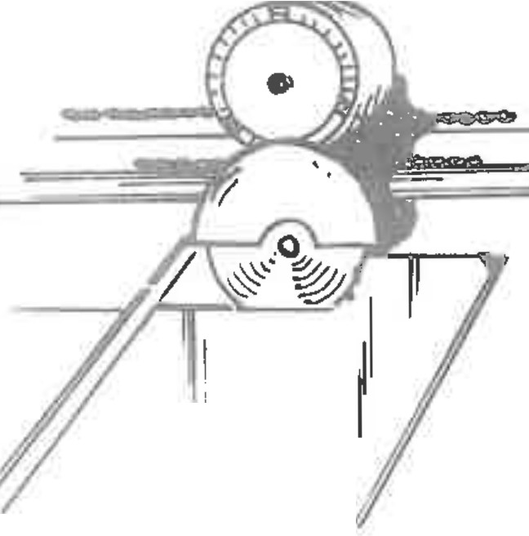 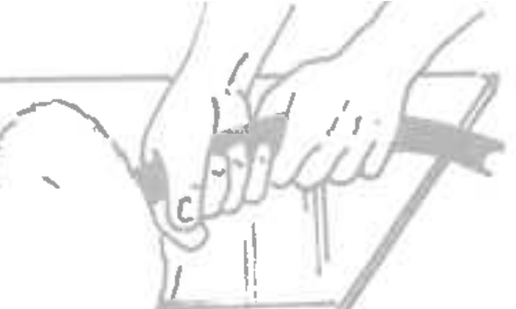 • \\ " -- - Ill-&J, '; SEAMING | 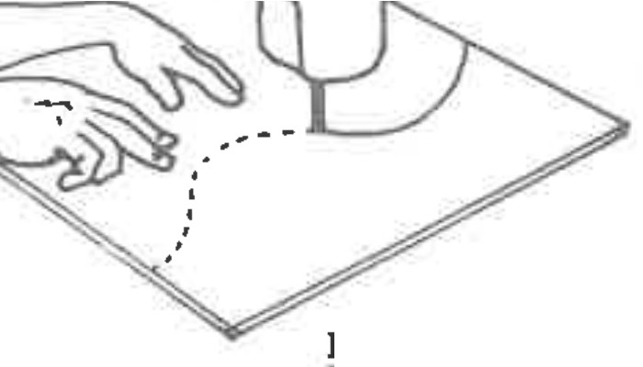
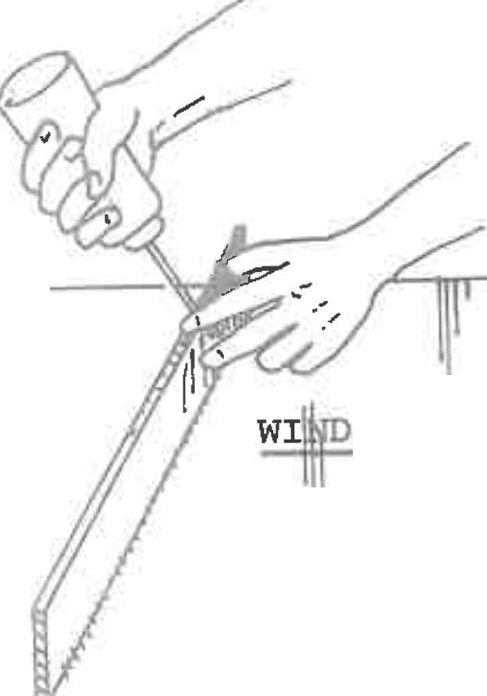 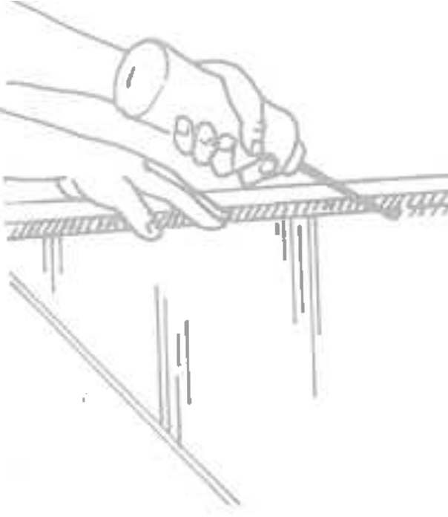 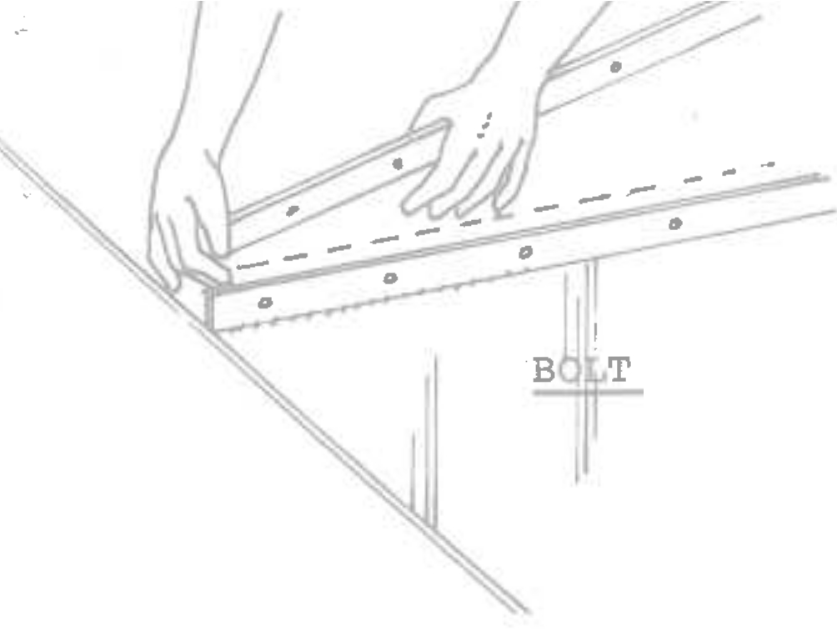 HANGER BAR Copyright, 1974 | JOINT
)5'

Table 37
C O M P O N E N T SECTION 9: PLASTIC FABRICATION - cont'd. |  |  |  |  | P R C E S C H E D U L E
A. SHEET MATERIALS, cont'd. 3. |  | CONSTA.- NT: l .. 000 hr MATERIALS AT COST
EASTMAN UVEX CLEAR I | cut to size |  | 1-249 sq.ft. |  | 250-499 sq. ft. | 500-over ' sq. ft. ' | std. carton sq. ft. | rolls sq.ft.
0.060 | $ .48 |  | s .43 |  | $ .40 | $ . 38 | $ . 36 | $ .35
I . 080 | 0.63 |  | 0.57 |  | 0.53 | 0.50 | 0.48 | 0.47
0.100 | 0.77 |  | 0.69 |  | 0.65 | 61 | 0.57 | 0.56
0.125 | 0.87 |  | 0.79 |  | 0.74 | 0.69 | 0.65 | 0.62
� 150 | 0.96 |  | 0.86 |  | 0.81 | 0.76 | 0.72 | 0.68
I .187 | 1.19 |  | 1.07 |  | 1.00 | 0.95 | 0.89 | 0.86
WHITE
0.060 | 0.50 |  | 0.45 |  | 0.42 | 0.40 | 0.37 | 0.37
0.080 | 0.66 |  | 0.60 |  | 0.56 | 0.53 | 0.50 | 0.49
0.100 | 0.80 |  | 0.72 |  | 0.68 | 0.64 | 0.60 | 0.59
0.125 | 0.93 |  | 0.84 |  | 0.78 | 0.74 | 0.70 | 0.69
0.150 | 0.99 |  | 0.89 |  | 0.83 | 0.78 | 0.74 | 0.73
0.187 | 1.25 |  | 1.13 |  | 1.06 | 1.00 | 0.94 | 0.91
COLORED
, .060 .so ,45 .42 .40 .37 .37
I . 090 .60 .60 .56 .53 .50 .49
I .100 .80 .72 .68 .64 .60 .59
I .125 I 1.00 .90 .84 .79 .75 .69
 |  |  | 1-249 sq.ft. |  | 250-499 sq. ft. | 500-1499 sq. ft. | 1500-over sq. ft.
I 11s" |  |  | $1. 73 |  | $1.62 | $1.51 | $1.42
3rl6" |  |  | 2.59 |  | 2.42 | ·2.36 | 2.23
1/4" |  |  | 3.47 |  | 3.11 | 2.92 | 2.74
18''
3/16" 2.67 2.50 2.34 2.20
4. G. E. LEXAN, FLAT CLEAR WHITE |  |  | I 1.7§ I l.t7 I I. �l, I I.il-, I
1. 90 I 1. 78 I 1. 67 I 1.57
CORRUGATED C-1, V-'J_,_v_-6, 1/8" |  |  |  | ' 3.75 I 3.50 I 3.25 I 3.00 I |  |  |  |  | d-1'

Table 38
C O M P O N E N T SECTION 9: PLASTIC FABRICATION - cont'd. B. FLAT CUT OUT & FABRICATED LETTERS 1. |  |  |  |  |  |  |  | PR.tCE S C H E D U L E • CONSTANT: l. 000 hr MATERIALS AT COST
BLOCK LETTERS, EACH | LABOR HOURS PER LETTER MATERIALS PER LETTER
1 To 611 hicrh-1/8". each | Profile �dg:insr Mount Plastic Jewel1.te edcanq Acr1.caE (°)'��- ,"f,L1� � :J_,.,•_ ...... Q,., , 1.f'- .'.ft.)� l". 2" 411
 | .079/hr .476Yhr .047/hr s .34 $ .45 $ . 85 Sl.40 S .45
7" to 9" -l/811, each | .106 .395 .055 .74 .68 1.28 2.10 .68
10" to 12"-1/8", each | .132 .395 .058 1. 32 .90 1. 70 2.80 ..90
13" to 15"-1/8", each | .144 .395 .066 2.06 1.13 2.13 |  |  |  |  |  |  |  |  |  |  |  | I 3.50 1.13
16" to 18"-1/8", each | .175 .461 .068 2.90 1.35 2.55 4. 20 1.35
19" to 21"-1/8", each | .194 .551 .073 3.96 1.57 2.96 4.87 1.57
I 22" to 24"-1/8", each | .224 I .594 .083 5.28 1.80 3.40 5.60 1.80
25" to 26"-l/811• each |  | ..244 .627 .089 6.07 1 94 ' 3.67 6,05 1 ._9.1
27" to 30"-1/8". each |  | .282 .661 .116 8.18 2.25 4.25 |  |  |  |  |  |  |  |  |  |  | 7. 00 2.25
]j 11 to .H,11 1/lE;" eacl1 | . 339 .79,7. .1T3 l --'1. :,8 1.. 7o 5.10 |  |  |  |  |  |  |  |  |  |  |  | 8.40 2.70
37" to 42"-3/16", each | • . 377 .880 .152 17.98 2.99 5.65 9.30 2.99
43" to 48"-3/16", each | .453 1.056 ' .182 25.92 3.60 6.80 11.20 I 3.60
2. SERIFED LETTERS. EACH
To 611 hic:lh-l/811• each | 0.086 |  | ,,, | 0.594 |  |  | 0.047 |  | 0.39 | 0.63 |  | 1.19 | 1.96 | 0.63
7" to 9" -l/811, eacho- | 0.115 |  |  | .594,,, |  |  | .055" |  | 0.85 | 0.95 |  | 1.79 | _2.94 | 0.95
10" to 1211-l/811, each | 0.143 |  |  | .594., |  |  | .058 ✓ |  | 1.51 | 1. 26 |  | 2.38 | 3.92 | 1 | 26
13" to 1511-l/811• each | 0.156 |  |  | 0.594 |  |  | 0.066 |  | 2.37 | 1. 56 |  | 2.95 | 4.85 | 1.56
16" to 1811-l/811• each | 0.189 |  |  | 0.661 |  |  | 0.068 |  | 3.34 | 1.90 |  | 3.57 | 5.88 | 1 | 90
19" to 21"-1/8", each | 0.210 |  |  | I .740 |  |  | 0.073 |  | 4.55 | 2.16 |  | I 4. 08 | 6.72 | 2.16
22" to 24"-1/8", each | 0.242 |  |  | 0.792 |  |  | 0.083 |  | 6.07 | 2.54 |  | 4·.76 | 7.84 | 2.54
25" to 26"-l/811 each | 0.264 |  |  | 0.863 |  |  | .0.89 |  | 6.98 | 2.7 2 |  | 5.14 | 8.46 | 2.72
27" to 30"-1/8" each | I .305 |  |  | 0.996 |  |  | 0.116 |  | 9.41 | 3.15 |  | -- 5.95 | 9.80 | 3.15
31" to 3611-3/16" each | 0.366 |  |  | 1.195 |  |  | 0.133 |  | 16.77 | 3.78 |  | 7.14 | 11.76 | 3.78
37" to 42"-3/16". each | 0.407 |  |  | 1. 328 |  |  | 0.152 |  | 20.68 | 4.20 |  | 7.93 | 13.05 | 4.20
..
42" to 48"-3/16". each | .48-9 |  |  | 1. .5 |  | - 94 | .1.82 |  | 29.8-1- | I 5.04 |  | 9.52 | 15.68 | 5.04
.}JV- �I 3. SCRIPT LETTER.�� EACH |  |  |  |  | ,lB1 l,11'f ,].t,.(D. |  |  |  |  |  | :37. p..� (4, �'l
l. "'x"'

Table 41
�
en
z 0
J J �t--: z

Table 45
C O M P O N E N T P R I C E |  |  |  |  |  | S C H E D U L E
SECTION 10: ACCESSORIES |  |  |  |  |  |  |  | FIELD INSTALLED
 | FL-A-SHERS: CONSTANT: l.000 hr's |  |  |  |  | Labor |  |  | Materials
A.

 | one to three contacts |  |  |  |  | 1.60 hr� |  |  | Take cost of materials from list on Section 8: ELECTRICAL ACCESSORIES
 | four to five contacts |  |  |  |  | 2.00 hrs
 | l six to seven contacts |  |  |  |  | 2.10 hrs
NOTE: Be very certain that when c�anging from a steady burning to a flashing circuit that the transformer loading is unchanged; otherwise, transformers, primary and secondary wiring will have to be changed. It is then necessary to charge for all required labor and mat­ erials in addition to the flasher prices above.
 | TIME SWITCHES: |  |  | CONSTANT: 1.000 hrs |  | Labor |  |  | Materials
B.
C ;D.
 | I installed at panel |  |  |  |  | 1.50 hrs |  |  | Take cost of materials from list on Section 8: ELECTRICAL ACCESSORIES
 | I installed at sign |  |  |  |  | 1.00 hrs
 | Raintite, | installed at sign |  |  |  | 2.00 hrs

 | QUARTZ LIGHT FIXTURES: CONS'!'A�: 1.000 hrs |  |  |  |  |  | Labor |  | Materials | . S.\i, °''\I-"..._ �'{\_(kJ,; � �
 | Vara 500, ground mounted, I |  | first fixture |  |  |  | 2.00 |  | $32.65
 |  |  | second fixture |  |  |  | 1.50 |  | 32.65
 |  |  | each fixture thereafter |  |  |  | 1.00 |  | 32.65
 | lvara 500, wall or pi�e mounted, each fixture |  |  |  |  |  | 1.00 |  | 30.65

✓
\
\',to'\
 | REMOTE WIRING COMPONENTS: , CONSTAN'l'; l..500 hrs |  |  |  |  |  | Labor |  | Materials
 | transformer boxes, single |  |  |  |  |  | 0.50 |  | -$ �5 :1.5
 | transformer boxes, double |  |  |  |  |  | 0.75 |  | 6.00

 | ballast boxes, single |  |  |  |  |  | 1.00 |  | 7.50
 | ballast boxes, double |  |  |  |  |  | 1.50 |  | ,- 13.75
 | EMT, straight section to 10' |  |  |  |  |  | 0.33 |  | 0.95
 | EMT, bent section u1 to 10' |  |  |  |  |  | 0.50 |  | 0.95
 |  |  |  |  |  |  |  |  |  |  | //✓
 | I GREENFIELD, flexible conduit, to 10' |  |  |  |  |  | 0.33 |  | 2.87
 |  |  |  |  |  |  |  |  |  |  |  | 3Y
 | LB's or TB's, each |  |  |  |  |  | 0.25 |  | 0.85
 | rrlgid conduit, to 10' straight section |  |  |  |  |  | .so |  | 1.50
 | PK housings with sleeves |  |  |  |  |  | 0.33 |  | 2.68
 | Heavy wall glass sleeves |  |  |  |  |  | 0.10 |  | 0.75
 | l½" holes through frame wall, each hole |  |  |  |  |  | 0.10
 | l½" holes throuqh masonrv wall, to 8" thick l½" holes through concrete, per inch of hole depth |  |  |  | ,.,,., I |  | .so
 |  |  |  |  |  |  | 0.089

Table 46
SECTION 10: FIELD INSTALLATION - cont'd.
I/ ,, ..-
NOTE: HOURS ARE GIVEN IN CREW HOURS, MATERIALS AT NET COST.
,,
-
COMPONENT PR .._ C E S C H E D U L E
E. PIPE INSTALLATION a. CAISSON TYPE FOOTINGS Labor, Crew Hours |  |  |  |  |  |  | ) ,,:'2.. I ._::,G, |  |  |  |  | ::Z, • 1u,if |  |  |  | Ffl:l.· .,_,,1.-.t.,('_J /-13-?7 ..
 |  |  |  |  | 311 |  |  | 411 |  | 5" |  |  | 6" |  |  | 7" |  | 9n |  | 10" |  |  | 12" |  |  | 14" |  | 1611
 |  |  |  |  | 2.50 |  |  | 2.50 |  | 3.00 |  |  | 3.00 |  |  | 3.50 |  | 4-.00 |  | 5.50 |  |  | 7.00 |  |  | 8.00 |  | 9.00
Materials in hole I $so, 1£ |  |  |  |  |  |  |  | $ 55,IS |  | $57,ti:,.S |  |  | $ 'f S,J.S |  |  | $13«u� |  | $ /t.S.51 |  | $ :z9q,qq |  |  | $ '/Oq,Cfj |  |  | $ |  | $
Pipe (above grade) per foot |  |  |  |  | $_,",35 |  |  | l,C/D |  | eJ�C/o |  |  | 3, )..{ |  |  | 3,3-� |  | S,10 |  | .v• ."'>·'\ 9,·oo |  |  | '7,3.5' |  |  | /tJ,30
Average Depth of Footing |  |  |  |  | 41-011 |  |  | 41-611 |  | 51-011 |  |  | 51-611. |  |  | 6'-0" |  | 71-011 |  | 9'-0" |  |  | 101-011 |  |  | 12'-0" |  | 141-0"
-
Equipment Rental (excavation-dirt removal) |  |  |  |  |  |  |  |  |  |  |  |  |  |  |  |  |  |  |  | $ so.oo |  |  | loO.oo |  |  | ·70,00 |  | jo.co
PIPE DATA:. Std.• Sect
Lt /Modulus |  |  | 7.58# 1. 72 |  |  | 10.79# 3.22 |  |  | 14.62# 5.45 |  | 18.98# 8.50 |  |  | 23.57# |  |  | 28.56# 16.81 |  | 40.50# 29.90 |  | 49.60# 43.80 |  |  | 54.60# 53.30 |  |  | 62.60# 70.30
b. BLOCK TYPE FOOTINGS Labor, Crew Hours |  |  |  |  | 3" |  |  | 411 |  | 5" |  |  | 6" |  |  | 7" |  | 8" |  | 10" |  |  | 12" |  |  | 14" |  | 16"
 |  |  |  |  | 3.00 |  |  | 5.00 |  | 5.00 |  |  | 6.·oo |  |  | 7.00 |  | 8.00 |  | 12.00 |  |  | 12.00 |  |  | 14.00 |  | 15.00
Materials in hole |  |  |  |  | $�5",q 2. |  |  | $�7/i2. |  | $to,S(ei |  |  | $ 'l'-1,6<.t, |  |  | $ | ,1Co,;l | $;n1..r |  | $ '-15/.5/i, |  |  | $ ·'/l 'f, II,, |  |  | $ |  | $.
Pipe (above grade) per foot |  |  |  |  | $_7,3�· |  |  | I ,'ro |  | �.'to |  |  | '3,?::: |  |  | 3-"3� |  | S,10 |  | 7,S., |  |  | 9,3S- |  |  | 1a,3o
Average Depth of Footing |  |  |  |  | 21-611 |  |  | 3'-0" |  | 31-611 |  |  | 4'-0" |  |  | 41-611 |  | 5 1-011 |  | 6'-0" |  |  | 7 1-011 |  |  | 81-011 |  | 81-011
Equipment Rental (exc-avation-dirt removal) |  |  |  |  | �().00 |  |  | �b.0O |  | �o.DO |  |  | �0,('0 |  |  | lo0,()0 |  | $10,00 |  | 8S,Oo |  |  | J/O,O 0 |  |  | l�S.oo |  | / 71),00
 |  | 411-611 |  | 511-611 |  |  |  | 6"-7" |  |  | 611-811 |  |  |  | 8"-10" |  |  | 1011-1211 |  |  |  | 1211-1411 |  |  | 14"-16"
 |  | 0.60 |  | 0.70 |  |  |  | • . 80 |  |  | . 90 |  |  |  | LOO |  |  | 1. 25 |  |  |  | 1.50 |  |  | 2.25
 | 1$ 's,i.S- | $ t�,bO |  | $ l�,t)O |  |  |  | $ l..S,oo |  |  | $ ;i.o.�3 |  |  |  | $ �(. .is |  |  | $ 1.10 ,bO |  |  |  | $. s.S.c,o |  |  | $<.Pl,Z.S
p IPE FAB� 311-4" Labor .50 Material
• (!) :r.� pc.{ ---; � c_ ,lo��
!3

